READ-ME
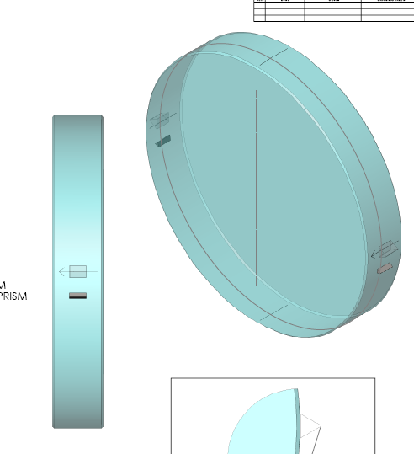
READ-ME

Colour coding
 | Needs filled or checked when starting to bond
 | Calculated in this spreadsheet
 | Information that could be taken from the GariLynn/Stuart database | Nebula Page
 | Measured using digital callipers on tooling

Version history
v1 | In this version the masses, ears and jigs used in LASTI are used as examples, but with the correct d-distances for aLIGO (which are different from the LASTI d-values)
v2 | Spreadsheet made specific to BS/FM, added in BS and some FM substrate data, used VLOOKUP function to avoid having to sort input data
v3 | Changed mass average thickness calculation to use in-house max and min thickness measurements, not unreliable vendor max thickness and wedge.
v4 | Data for gluing BS02 at LLO
v5 | Comments set into worksheet "Prism jig settings calculation"
v6 | Corrected formula for Dscrew. Section 'Mass measurements'!$A$4:$H$20,3,FALSE, should be A3,'Mass measurements'!$A$4:$H$20,8,FALSE.

How to use this spreadsheet for prism bonding
1 | Pick the prism you would like to glue and check the measurements for it are in the spreadsheet under the "Prism measurements" sheet
2 | Pick the mass you would like to bond to and check the measurements for it are in the spreadsheet under the "Mass measurements" sheet
3 | Pick the side of the mass you wish to bond the prisms to:
4 | Pick the jig you want to use for bonding and check the measurements for it are in the spreadsheet under the "Jigs" sheet
5 | Pick the prism holder you want to use for bonding and check the measurements for it are in the spreadsheet under the "Prism holder measurements" sheet
6 | Go to the "Prism jig settings calculations" sheet and fill in your choices for this particular bond in the yellow boxes
7 | The spreadsheet should now automatically calculate the jig settings Dscrew for this specific bond. For a nominally perfect mass, ear and jig Dscrew = 3.00 mm

Adding in measurements for masses, prisms, jigs or prism holders
In case the measurement data for a mass, or jig has to be added before being able to calculate the jig settings for bonding on a prism:
1 | Add the name, reference and measurements in the next row in the relevant spreadsheet.
2 | As long as the cell is shaded in colour the new data will be picked up automatically.
The name for the mass, prism, or jig has to correspond exactly with the name in the calculation sheets otherwise the "vlookup" function will not work.

Troubleshoot |  |  | note: | Drawing of BS and prisms
Please contact Marielle van Veggel if you have problems: m.veggel@physics.gla.ac.uk |  |  | 1 | The arrow registration mark (ARM) is on thinnest part and points to S1.
 |  |  | 2 | When the BS is the correct way up and you are facing S1, the thick side should be to the left
 |  |  |  | and the arrow should be to the right and pointing towards you.

Jigs
JIG measurements
Bonding jig no. | xj1 [mm] | xj2 [mm]
BSFM01 | 16 | 50.02
BSFM02 | 16 | 50 | Values in the table with red fill are nominal values.
BSFM03 | 16 | 50 | To achieve the +/-0.1 mm accuracy they will need to be measured and replaced in the table.
BSFM04 | 16 | 50 | When this is done, the red fill should be cleared.
BSFM05 | 16 | 50
BSFM06 | 16 | 50
The data in this table should be accurate within +/- 0.1 mm for each jig available at the site of bonding.
See picture below for the meaning of the values to be measured.

xj1
xj2

Prism measurements
Prisms measurements
Primary prism no. | Quality control document | From document a [mm] | From document b [mm] | wp/2 [mm]
1 | Q1000008 | 4.97 | 14.96 | 9.97 | Prisms 1-24 had grooves that were too round and should not be used.
2 | Q1000008 | 5.13 | 15.07 | 10.10
3 | Q1000008 | 4.89 | 14.82 | 9.86
4 | Q1000008 | 4.87 | 14.90 | 9.89
5 | Q1000008 | 4.77 | 14.81 | 9.79
6 | Q1000008 | 5.04 | 15.08 | 10.06
7 | Q1000008 | 4.95 | 14.98 | 9.97
8 | Q1000008 | 4.94 | 14.96 | 9.95
9 | Q1000008 | 5.03 | 15.05 | 10.04
10 | Q1000008 | 4.74 | 14.79 | 9.77
11 | Q1000008 | 4.79 | 14.78 | 9.79
12 | Q1000008 | 4.73 | 14.73 | 9.73
13 | Q1000008 | 4.86 | 14.85 | 9.86
14 | Q1000008 | 4.87 | 14.88 | 9.88
15 | Q1000008 | 4.87 | 14.90 | 9.89
16 | Q1000008 | 5.00 | 15.01 | 10.00
17 | Q1000008 | 4.97 | 15.07 | 10.02
18 | Q1000008 | 4.72 | 14.79 | 9.75
19 | Q1000008 | 4.86 | 14.87 | 9.86
20 | Q1000008 | 4.69 | 14.68 | 9.68
21 | Q1000008 | 5.00 | 15.04 | 10.02
22 | Q1000008 | 4.97 | 15.06 | 10.02
23 | Q1000008 | 4.95 | 14.89 | 9.92
24 | Q1000008 | 4.88 | 14.86 | 9.87
31 | Q1000008 | 5.00 | 15.00 | 10.00
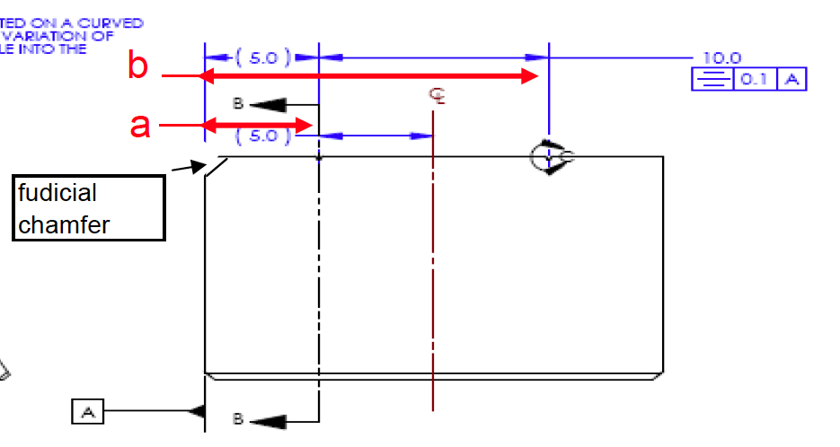
32 | Q1000008 | 4.93 | 15.00 | 9.96
33 | Q1000008 | 5.00 | 15.01 | 10.01
34 | Q1000008 | 4.99 | 14.96 | 9.98
35 | Q1000008 | 5.01 | 15.01 | 10.01
36 | Q1000008 | 5.00 | 15.02 | 10.01
37 | Q1000008 | 5.03 | 14.99 | 10.01
38 | Q1000008 | 5.04 | 14.99 | 10.02
39 | Q1000008 | 5.01 | 14.99 | 10.00
40 | Q1000008 | 5.02 | 15.00 | 10.01
41 | Q1000008 | 5.00 | 14.99 | 9.99
42 | Q1000008 | 4.95 | 14.99 | 9.97
43 | Q1000008 | 4.94 | 14.98 | 9.96
44 | Q1000008 | 5.02 | 14.97 | 10.00
45 | Q1000008 | 5.04 | 14.99 | 10.01
46 | Q1000008 | 5.03 | 14.97 | 10.00
w_{p}/2
47 | Q1000008 | 5.01 | 15.00 | 10.00
48 | Q1000008 | 4.95 | 14.99 | 9.97
49 | Q1000008 | 5.05 | 14.96 | 10.00
50 | Q1000008 | 5.04 | 14.98 | 10.01

Prism holder measurements
Prism holder measurements
Prism holder no. | xph [mm]
1 | 6.93
2 | 7
3 | 7
4 | 7
The data in this table should be measured for each prism holder available at the site of bonding.
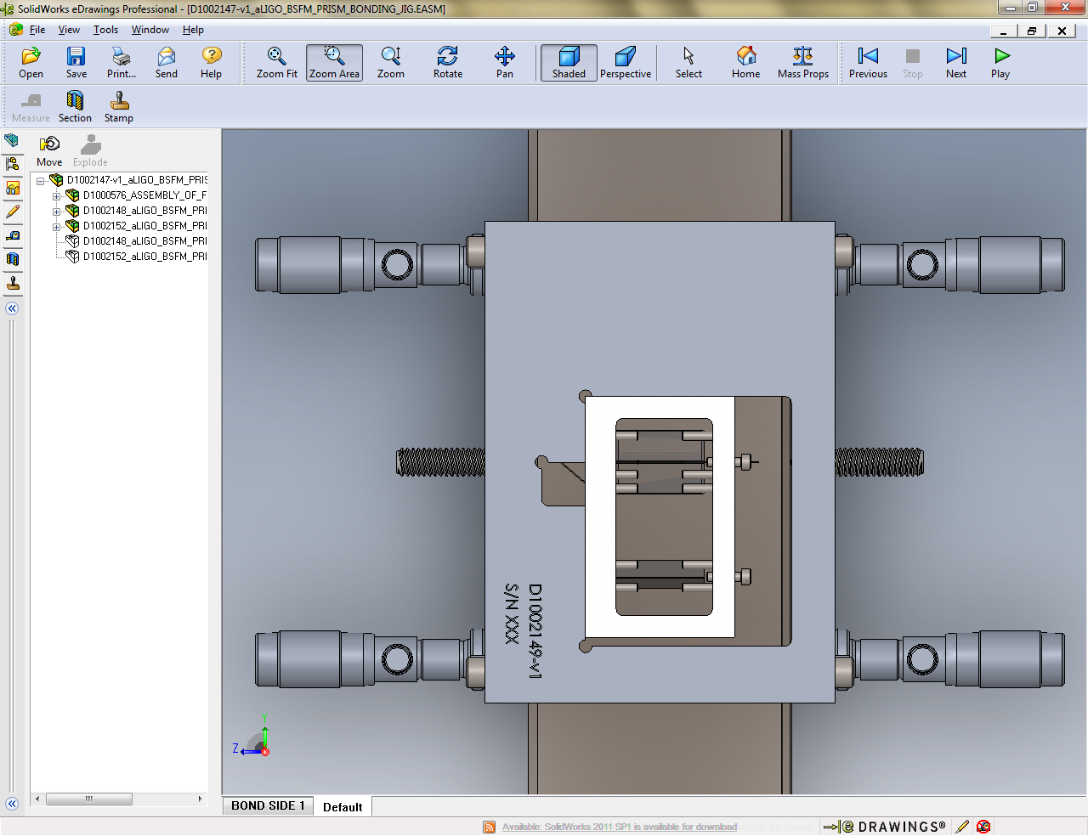

xph

