Sheet1
E1300043-v3 OFI Balance Weights & Locations
2013-08-19

BALANCE WEIGHT DETERMINATION PROCEDURE:

STEP 1: | use E130043-v3.xmcd program to determine the exact counterweights and their locations ( you must start with a guess for CW1 and CW2). The calculation is duplicated in the spread sheet below.
STEP 2: | Choose actual couterweight values using combinations of available discrete weights
STEP 3: | Verify the balance weight values and positions by using the Solid Works Model of the OFI Table Assembly D0900623
1) | Unsupress the required discrete CW1 and CW2 weights
2) | Unsupress the blade unbalance weight; the unbalance weight should be placed at the location of the tip of the weakest blade.
3) | CW1 position: set the Distance121 (point1) mate for the 1# weight equal to the "distance point 1 to right edge CW1" shown in the table below
4) | CW2 position: set the Distance122 (point1) mate for the 3# weight equal to the "distance point 1 to top edge CW2" shown in the table below
 | The CG of the balanced table should move to the center of the suspension wires, described as "point1"

Blade version | D0900541-v4

CG of optics table | XCGT, in |  |  | -0.487
CG of optics table | YCGT, in |  |  | -0.076
weight of optics table | lbs |  |  | 34.90
weight of upper SUS wire assy | lbs |  |  | 0.200
total weight of suspended optics table | CGT, lbs |  |  | 35.097
axial postion of blade | SX, in |  |  | 2.871
transverse postion of blade | SY, in |  |  | 3.308
tare weight | kg |  |  | 6.10
X loc of CW2 | XCW2, in |  |  | 7.56
y loc of CW1 | YCW1, in |  |  | 2.75
distance from CG to top edge CW2 |  |  |  | 2.03
distance from CG to right edge CW2 |  |  |  | 1.13

loaded vertical blade displacement, m | 0.0935
g, m/s^2 | 9.8
 | S/N |  |  | Blade Balance Weight, kg | Blade Balance Weight, lbs | measured thickness, in | new thickness, in
 | 11 |  |  | 9.22 | 20.33
 | 12 |  |  | 9.22 | 20.33
 | 13 |  |  | 9.15 | 20.18
 | 14 |  |  | 9.17 | 20.22
 | 15 |  |  | 9.17 | 20.22
 | 16 |  |  | 9.07 | 20.00
 | 17 |  |  | 9.20 | 20.29
 | 18 |  |  | 8.99 | 19.82
 | 19 |  |  | 9.19 | 20.26
 | 20 |  |  | 9.32 | 20.55

Blade pairs | S/N | Blade Orientation | Lift Difference, lbs | Blade Balance Weight, kg | Blade Balance Weight, lbs | x-offset from mounting bolt, in | XCW1, in |  |  | distance point 1 to right edge CW1 | distance point 1 to top edge CW2 | y-offset from mounting bolt, in | YCW2, in | desired CW2, lbs | actual CW2, lbs | desired CW1, lbs | actual CW1, lbs | total actual variable weight, lbs | total desired balance weight, lbs
1 | 11 | Input |  | 9.22 | 20.33 | 0.218 | -6.91 |  |  | -5.78 | 1.54 | -0.575 | -0.48 | 3.84 | 3.75 | 1.73 | 1.63 | 5.38 | 5.56
 | 12 | Output | 0.00 | 9.22 | 20.33
2 | 13 | Input | 0.04 | 9.15 | 20.18 | 0.296 | -6.83 |  |  | -5.70 | 1.54 | -0.575 | -0.48 | 3.71 | 3.75 | 1.55 | 1.63 | 5.38 | 5.30
 | 14 | Output |  | 9.17 | 20.22
3 | 15 | Input | 0.04 | 9.17 | 20.22 | -0.296 | -7.42 |  |  | -6.30 | 1.64 | -0.480 | -0.39 | 3.82 | 3.75 | 1.64 | 1.5 | 5.25 | 5.39
 | 19 | Output |  | 9.19 | 20.26
4 | 16 | Input |  | 9.07 | 20.00 | -0.030 | -7.16 |  |  | -6.03 | 1.71 | -0.413 | -0.32 | 3.42 | 3.50 | 1.23 | 1.38 | 4.88 | 4.73
 | 18 | Output | 0.18 | 8.99 | 19.82
5 | 17 | Input | 0.26 | 9.20 | 20.29 | 0.046 | -7.08 |  |  | -5.95 | 1.49 | -0.627 | -0.54 | 3.99 | 4.00 | 1.74 | 1.75 | 5.75 | 5.74
 | 20 | Output |  | 9.32 | 20.55

 | Blade pairs | E1300043-v3 S/N | Location | Blade Balance Weight, kg | Blade Balance Weight, lbs | x-offset of CW1 from mounting bolt, in | CW1 (centered), lbs | CW1 weight assembly |  |  |  | y-offset of CW2 from mounting bolt, in | CW2 (offset), lbs | CW2 weight assembly |  |  |  | total variable weight, lbs | total suspended weight, lbs | total blade balance weight, lbs
 |  |  |  |  |  |  |  | 1# | 0.5# | 0.25# | 0.13# |  |  | 3# | 1# | 0.5# | 0.25#
 | 1 | 11 | Input | 9.22 | 20.33 | 0.218 | 1.63 | 1 | 1 | 0 | 1 | -0.575 | 3.75 | 1 | 0 | 1 | 1 | 5.38 | 40.48 | 40.66
 |  | 12 | Output | 9.22 | 20.33
 | 2 | 13 | Input | 9.15 | 20.18 | 0.296 | 1.63 | 1 | 1 | 0 | 1 | -0.575 | 3.75 | 1 | 0 | 1 | 1 | 5.38 | 40.48 | 40.40
 |  | 14 | Output | 9.17 | 20.22
 | 3 | 15 | Input | 9.17 | 20.22 | -0.296 | 1.50 | 1 | 1 | 0 | 0 | -0.480 | 3.75 | 1 | 0 | 1 | 1 | 5.25 | 40.35 | 40.48
 |  | 19 | Output | 9.19 | 20.26
 | 4 | 16 | Input | 9.07 | 20.00 | -0.030 | 1.38 | 1 | 0 | 1 | 1 | -0.413 | 3.50 | 1 | 0 | 1 | 0 | 4.88 | 39.98 | 39.82
 |  | 18 | Output | 8.99 | 19.82
 | 5 | 17 | Input | 9.20 | 20.29 | 0.046 | 1.75 | 1 | 1 | 1 | 0 | -0.627 | 4.00 | 1 | 2 | 0 | 0 | 5.75 | 40.85 | 40.84
 |  | 20 | Output | 9.32 | 20.55
 | total weights needed |  |  |  |  |  |  | 5 | 4 | 2 | 3 |  |  | 5 | 2 | 4 | 3

x-offset of CW1 from mounting bolt

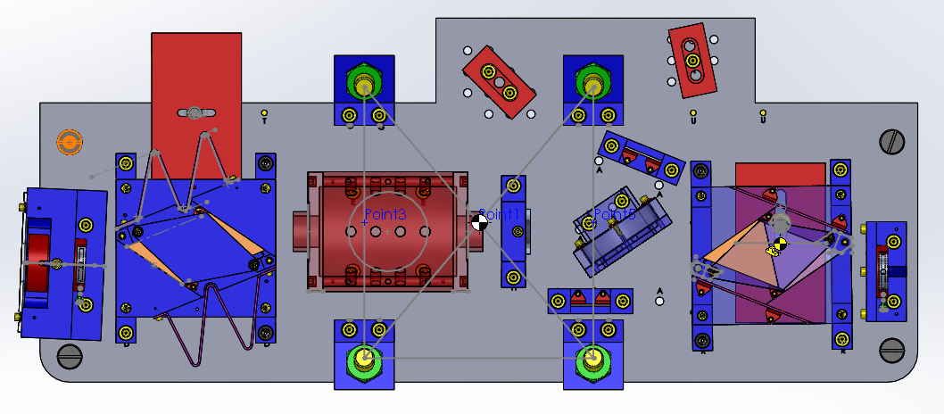

CW1
CG of suspended OFI optics table

CW2

y-offset of CW2
from mounting bolt

